Equipment Installation
EQUIPMENT information - scroll down |  | Back to Guidance |  | All info links
Monitoring (and other) equipment is supplied by Ealing/Energence at standard commercial prices. |  | Back to CALC. Equipment & Installation |  | CALC. Platform & officer support
All prices exclusive of VAT and carriage |  | Link to complete price schedule |  | CALC. SIM cards & data handling
Prices may vary slightly according to availability, exact requirements of clients, volume, etc |  |  |  | CALC. Automated alerts
Please note: Equipment and data telemetry (SIM card) costs are quoted at the current retail price of the equipment or service specified.
Technology research and development may also affect equipment costs.

There is a minimum £480 per day charge for installation work.
This will be for more complex or multi-meter installations - and represents an average daily rate.
Fill in the number of predicted hours of installation work.

Equipment | Description | Uses | Requirements
Pulse meter - general | Registers a pulse for each kWh, litre of fuel, or m3 of gas | Monitoring electricity, hot water, gas, & fuel use

GPRS "smart" electric meter |  |  | All meters need to be Ofgem/DECC/MID (EU Measuring Instruments Directive) approved. Necessary for claiming Feed in Tariff or Renewable Obligation Credit (for biofuel).
 | Electric meter with an inbuilt mobile phone modem that transmits kWh data once a day. | Monitoring PV or wind/hydro turbines - or grid electricity import/export.

Conventional (visual read) meter | Records kWh data but with no built in wireless modem. | Used in conjunction with data-loggers for monitoring solar thermal/heat pumps/CHP.

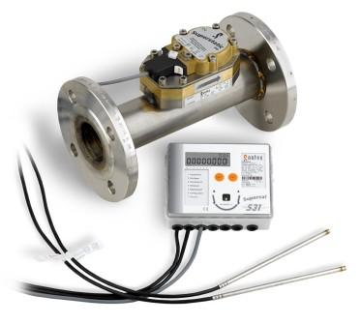 Heat meters | Comprises a flow sensor for measuring how much hot water is generated by the renewable/low-carbon system + two temperature sensors that measure the heat of the water. The data from the three sensors are combined in a heat meter hub that calculates the kWh output of the system. | Monitoring hot water generation of solar thermal, heat pumps, biomass and conventional gas boilers.

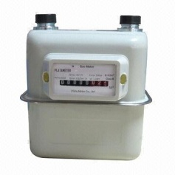 Data-loggers | Multi channel type of smart meter that more than one pulse meter can be plugged into. The data-logger sends out the data from all the meters each day. | Used for monitoring the different components of a renewable energy system (such as the hot water generation meter of a solar thermal system as well as the parasitic load electric meter. Also used for monitoring more than one technology at a time: eg. heat pump + solar thermal or PV + heat pump. | Domestic loggers can monitor a small heat pump, solar thermal, or biomass installation.

 |  |  | A commercial logger is needed for larger systems or when more than one renewable device is being monitored - such as a heat pump and PV, or when a parasitic load electreic meter is required for monitoring the efficiency of a thermal system.

Misc items
Booster aerials | Aerials can vary in size from 5cm to 1m. Sometimes they will need to be located on an external wall. | Required if GPRS signal is not strong enough at the exact location point of the smart meter or data-logger. | GSM signal strength should always be checked at the exact location of the meter or booster aerial if fitted.

Protective meter enclosures | Durable casing. Lockable. | For when meters that are installed externally or in occupied rooms or need protection. | Sufficient installation and access room required.

Multi-phase CT clamps | Placed around the three wires of a 3-phase system | For monitoring 3-phase metered systems. | Configuring CT clamps is complicated and has to be done in the right order. Correct training and experience is required.
CT feed though block | The three wires encased in one block
CT single feed though | Individual wire blocks

 | Back to CALC. Equipment & Installation

Monitoring
Examples of monitoring methods |  | Back to Guidance | Back to Equipment & Installation calculator |  |  | All info links
 |  |  |  |  |  | CALC. Platform & officer support
Ealing Council's renewable/low-carbon energy Planning policy is assessed in terms of CO2 reduction. |  |  |  | Monitoring requirement: |  | CALC. SIM cards & data handling
Therefore, the parasitic electric load for heat pumps also needs to be monitored as well as the energy generation. |  |  | PV/Wind/hydro monitoring | - kWh generation |  | CALC. SIM cards & data handling
The parasitic kWh load is deducted from the kWh generation to determine the kWh and CO2 reduction. |  |  |  | - kWh parasitic load for some turbines |  | CALC. Automated alerts
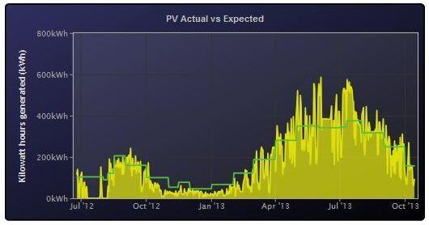
Monitoring requirements
Technology | Requires
Photovoltaic: | Smart meter
Wind turbines | Smart meter
Micro-hydro turbine: | Smart meter |  | PV generation "smart" meter
Solar thermal: | Heat + electric meter + data-logger

Ground/Air Source Heat pumps: | Heat + electric meter + data-logger
Biomass boiler: | Heat meter + data-logger
Combined Heat & Power: | Heat + electric meters + data-logger
Biofuel generator: | Electric + gas meter + data-logger

Solar water or heat pump monitoring - domestic |  |  | CHP & Biomass monitoring
Single heat output and single parasitic load |  | Heat pump/Solar thermal
Parasitic electric meter |  | Monitoring requirement:
 |  | - kWh thermal output
 |  | - kWh parasitic electric load |  |  | Data-logger
 | Data-logger
 |  |  |  |  | Monitoring requirements:
 |  |  |  |  | - kWh thermal output
 |  |  |  |  | - kWh electrical output
 |  |  |  |  | - 10 minute granularity

 |  |  | Electric generation meter
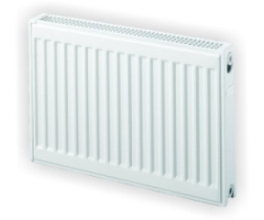
heat output meter |  | Back to top

 |  |  | Heat generation meter

Dashboard
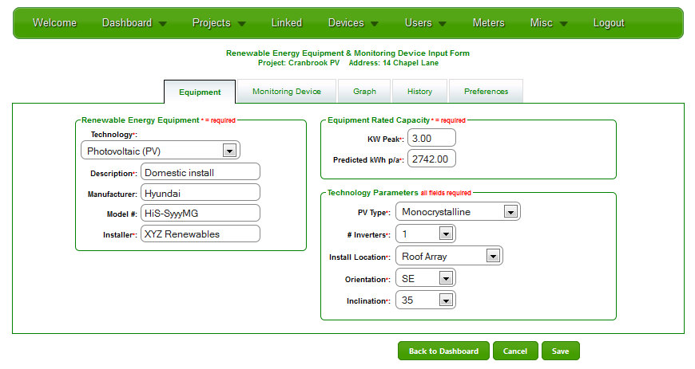
Key dashboard displays | Back to Guidance |  | All info links
Multiple installations are grouped together on the web-platform. |  |  | CALC. Platform & officer support
Planning officers or developers click on row to access individual Birth Certificates |  |  | CALC. Equipment & Installation
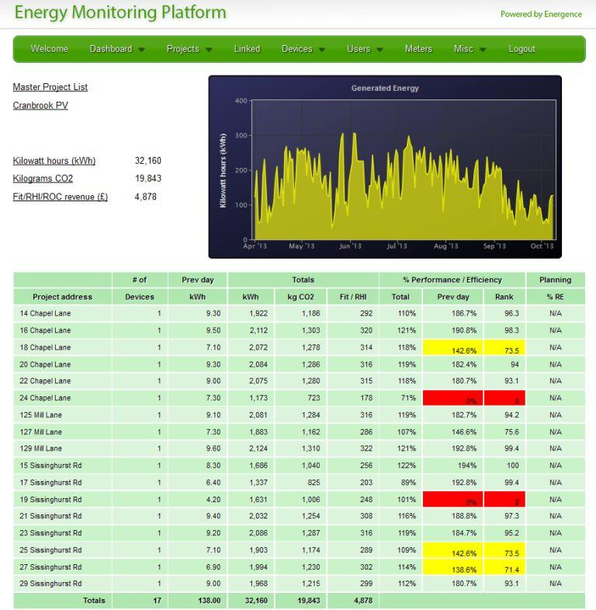
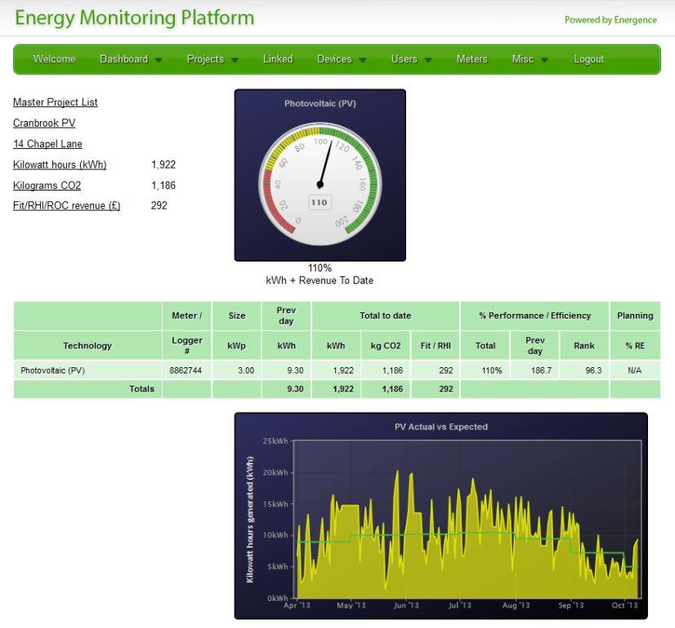
 |  |  | CALC. SIM cards & data handling
 |  |  | CALC. Automated alerts

 |  | Individual installations (in the above case PV) display kWh generation and performance

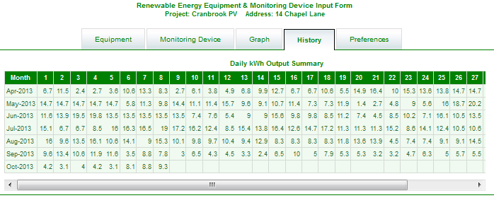
 |  | Raw data stored in historical database for analysis
% of CO2 reduction shown in final column

Birth Certificate holds info and key monitored data

Alerts. Downloads. Reports
ADDITIONAL PLATFORM SERVICES | CALC. Automated alerts | Back to Guidance |  | All info links
 |  |  |  | CALC. Platform & officer support
Automated email alerts |  | Quarterly FiT / RHI / ROC downloads | Annual reports | CALC. Equipment & Installation
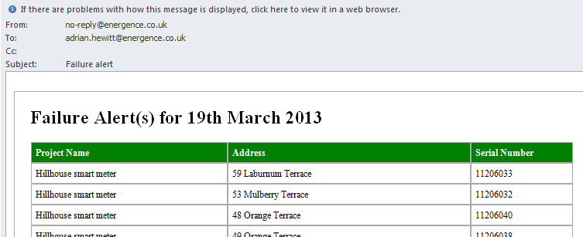
An automated email alert is sent if the renewable/low-carbon energy equipment stops sending data, or the performance of the equipment falls away. |  | To claim Feed in Tariff revenue the meters have to read every quarter. | The Platform holds the renewable/low-carbon energy equipment kWh and performance data in a database. | CALC. SIM cards & data handling

 |  | Grid energy companies administer the schemes on behalf of the Government.

The alert is configured to trigger when performance fall below a set level for a certain number of days. |  | The FiT / RHI download options allows developers to download the quarterly kWh figures as an Excel spreadsheet in the correct format that can then be forwarded to the claimant's provider. | Developers can request an annual report that identifies:

The alert is sent to Ealing Council officers and also to the Developer's consultants and/or maintenance company. |  |  | - Total kWhs generated
 |  |  | - Total revenue earned
 | Equipment failure email alert | This saves the time consuming process of collating the figures each quarter. | - Average equipment performance
 |  |  | - Revenue earned against equipment performance
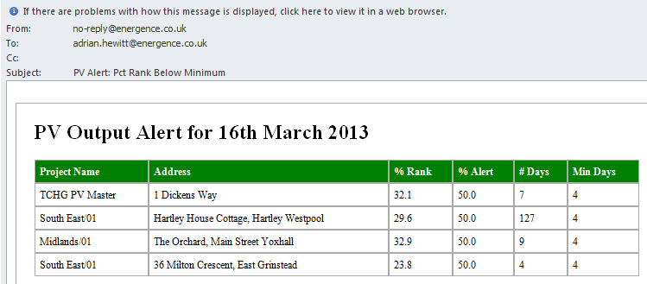
Ealing may then inform the Developer that they not in compliance with the energy planning policy.
 |  | Suitable for example for housing association multi-installations such as terraced housing with individual PV panels or solar thermal or heat pumps.

Data loss may not be the failure of the generating equipment but of the monitoring equipment. There are several reasons why this may happen:

 |  | Developers should discuss this option with Energence Ltd,

- Meter failure: Very unlikely |  | The downloading of kWh data may be subject to data protection issues - particurarly with respect to private homeowners.
- SIM card failure: Unsually incorrect installation of meter.

Occupant or visiting electrician has turned off the PV system. | Equipment performance email alert

PV system tripped out: Occassionally happens.
- Damage or theft of equipment: Can happen

Calculator costs for additional Energy Monitoring Platform service are multiplied by 3 (years of monitoring required by Ealing Council).

Branded Platform
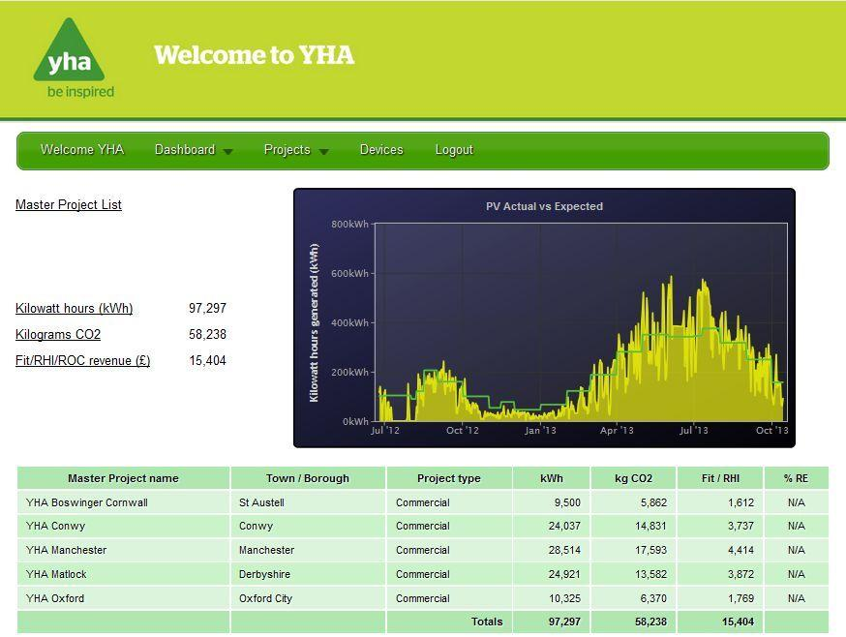
Corporate / Organisation branded Platform | Back to Guidance | Back to CALC. Automated alerts | CALC. Equipment & Installation | All info links
 |  |  |  | CALC. Platform & officer support
 |  |  |  | CALC. SIM cards & data handling

Above is an example of a branded platform.
This is what the developer will see when they (or their partners) log onto the platform.
Developers can upload logos and promotional material to the Platform.

Developers can have a selection of dashboard displays for a single or for multiple buildings.
These dispay can cycle between different dashboards and graphs.

