Figure Sheet
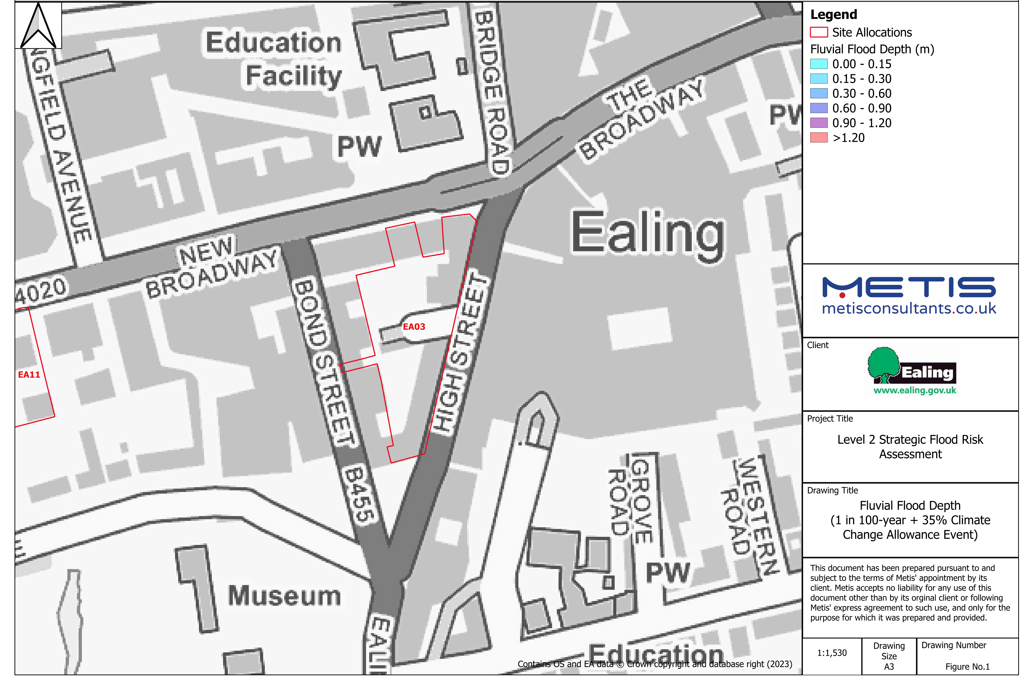
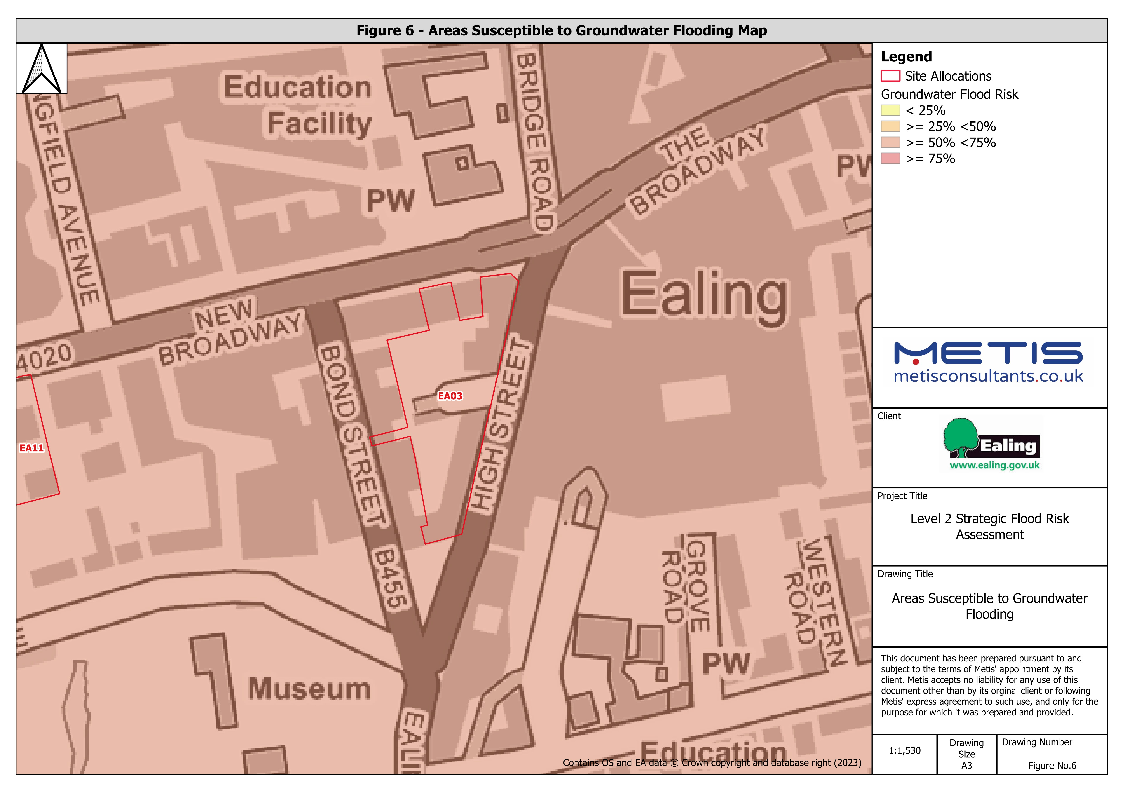
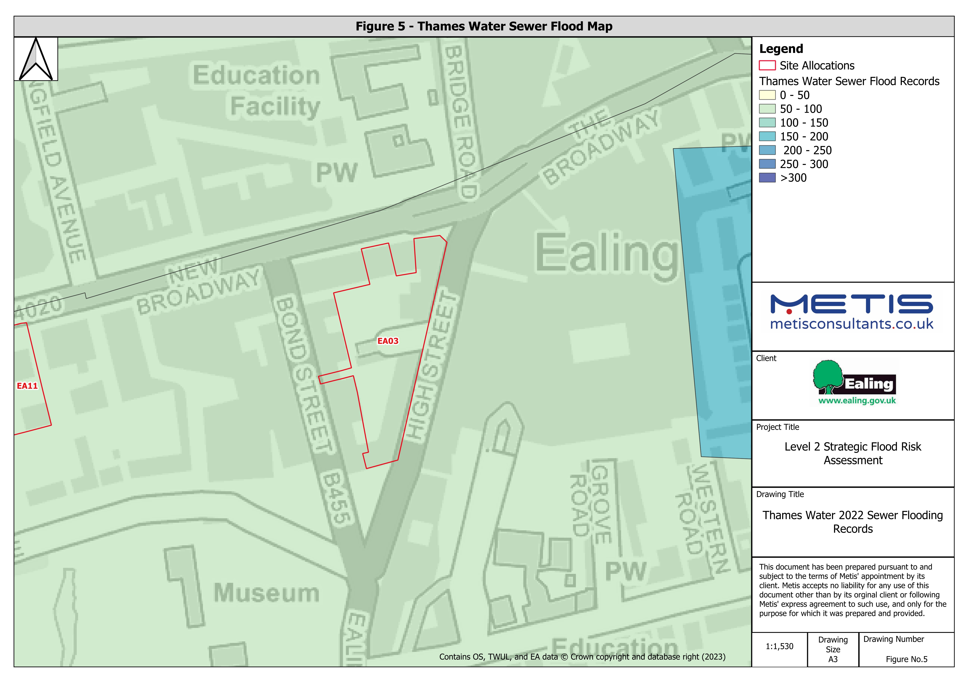
Figure 1 - Fluvial Flood Depth Map |  | Figure 2 - Fluvial Flood Hazard Map | Figure 5 - Thames Water Sewer Flood Map | Figure 6 - Areas Susceptible to Groundwater Flooding Map
 | 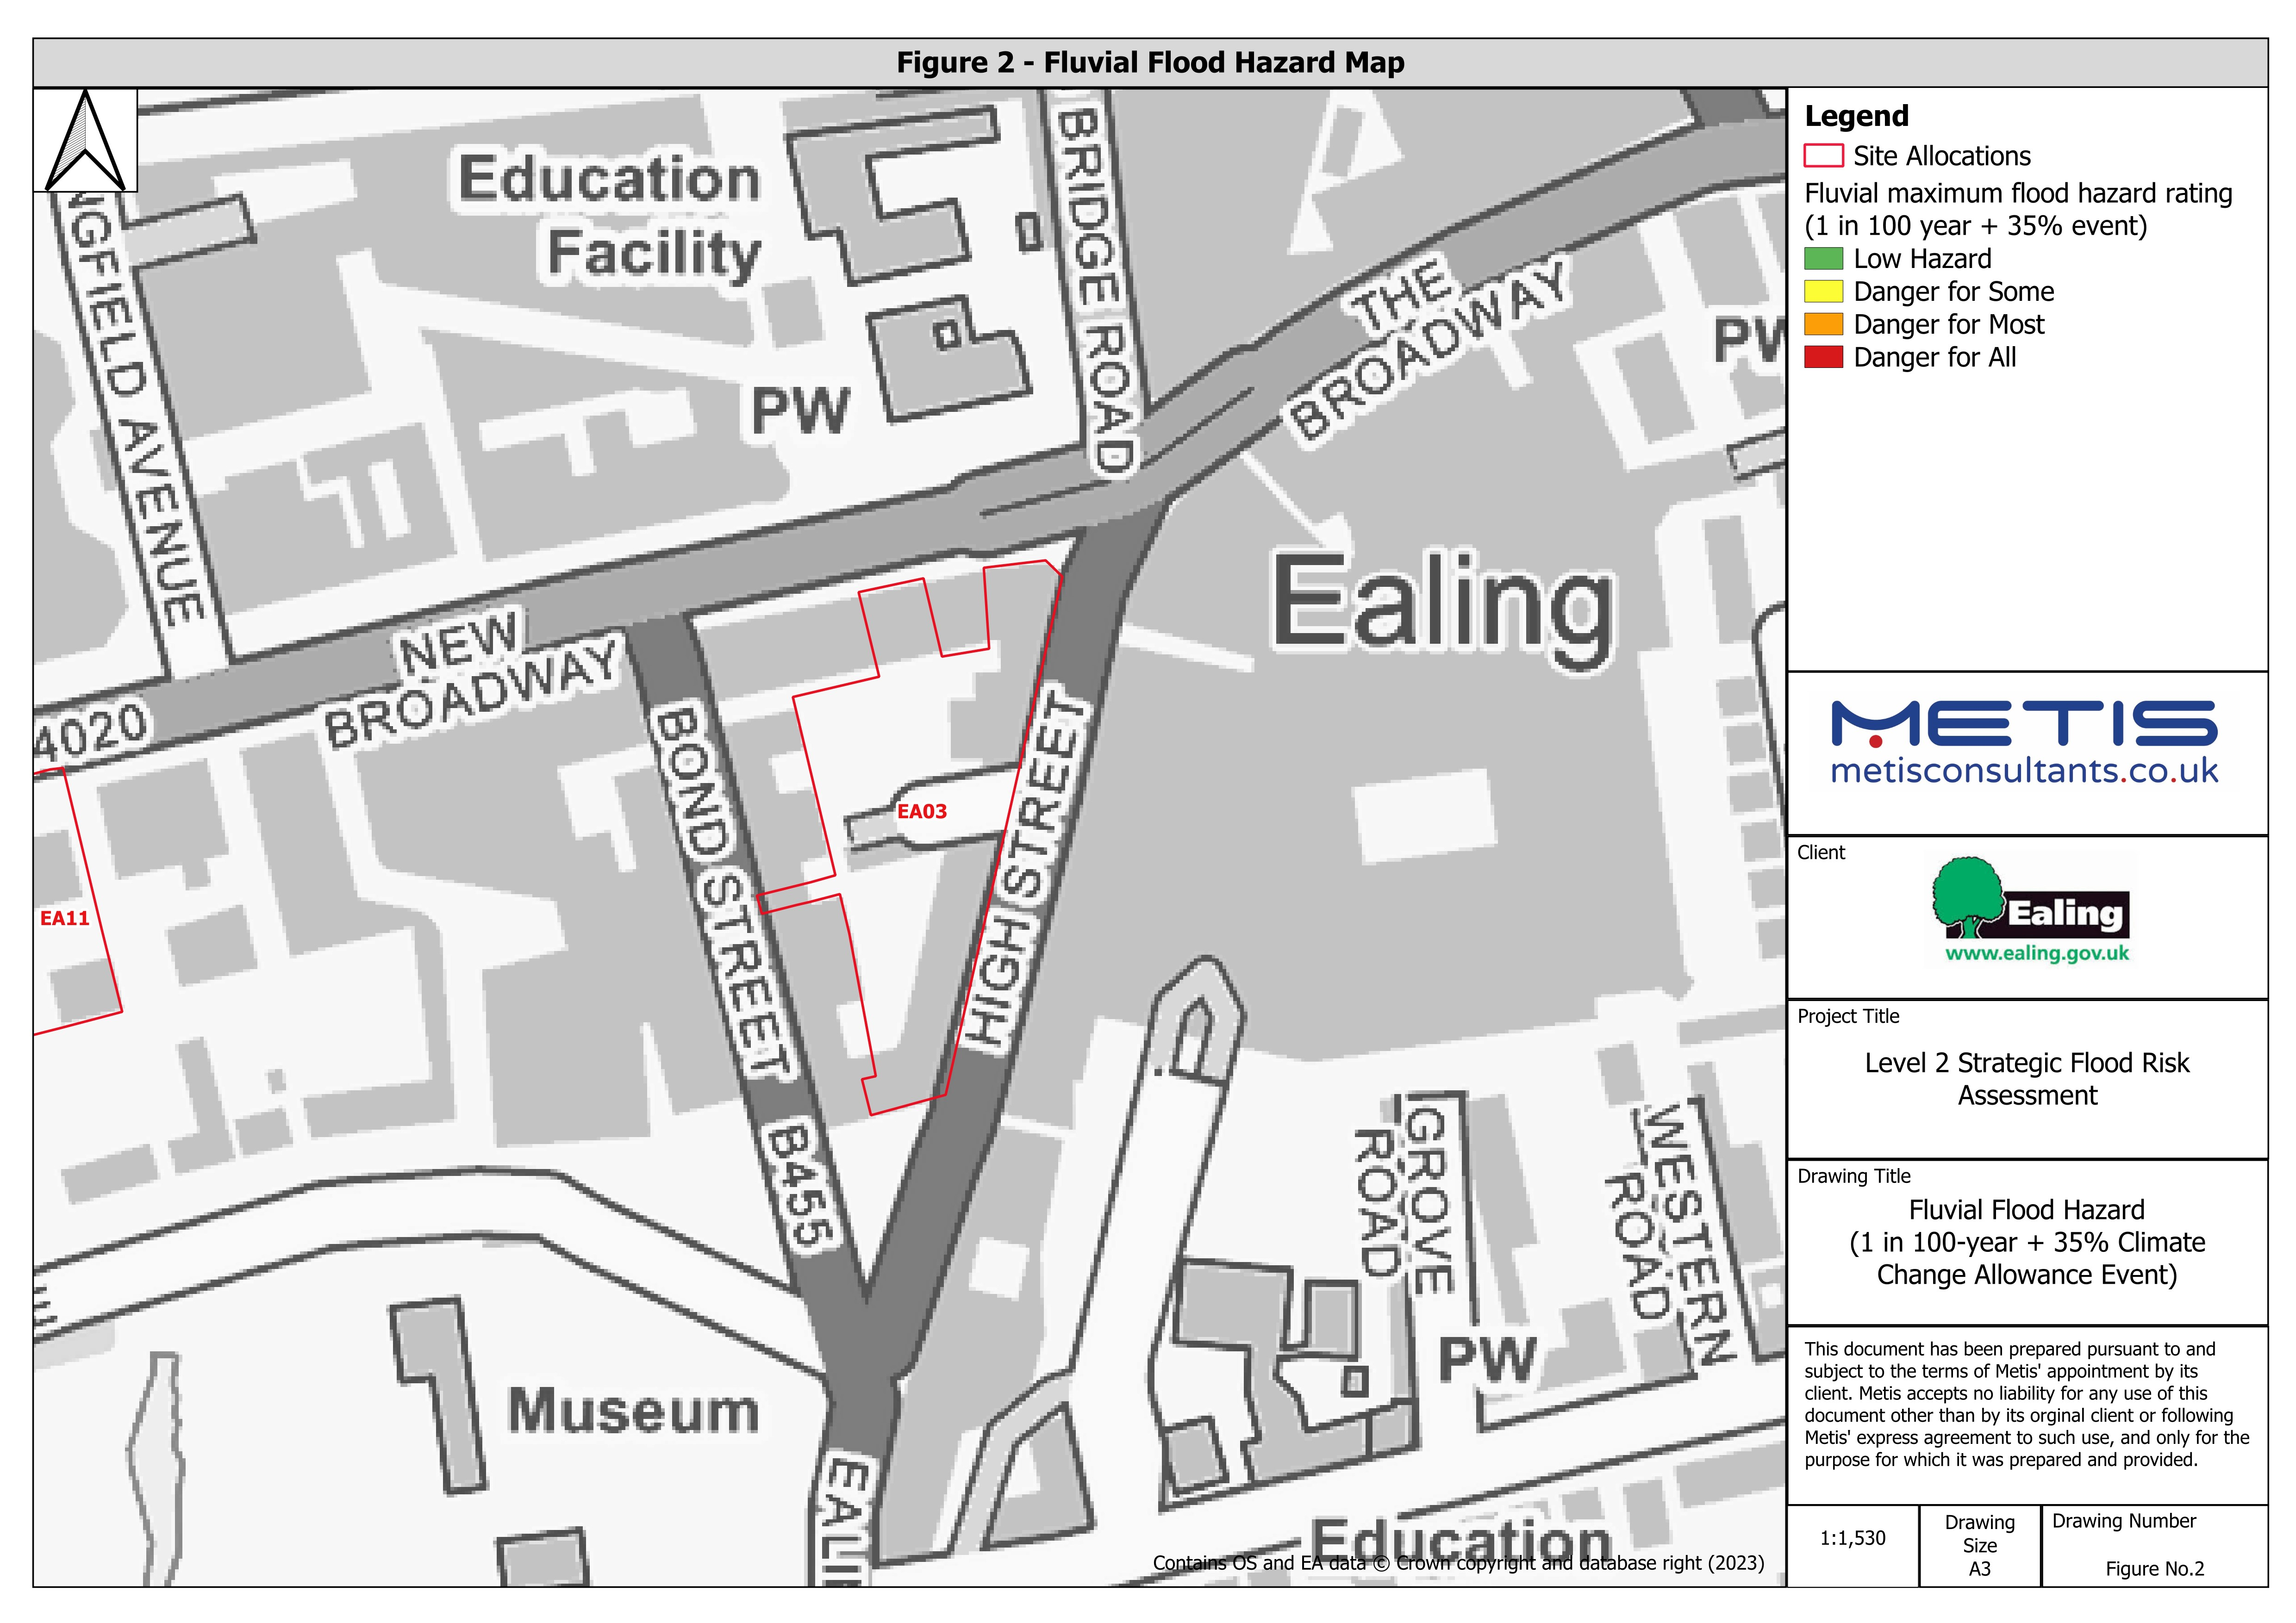

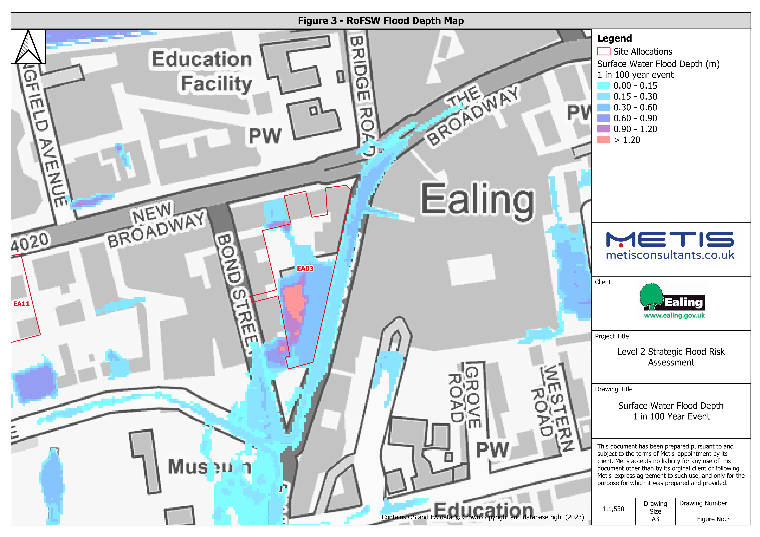
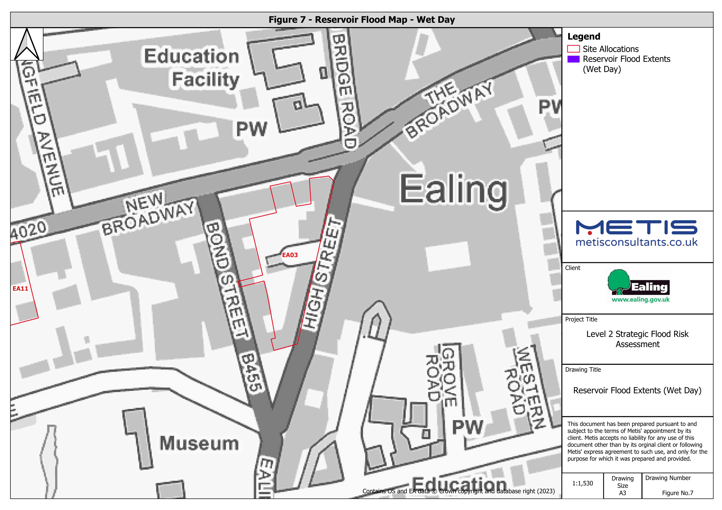
Figure 3 - RoFSW Flood Depth Map |  | Figure 4 - RoFSW Flood Hazard Map | Figure 7 - Reservoir Flood Map - Wet Day
 | 