Site Plan
Client : | LB of Ealing | Client : | LB of Ealing | Client : | LB of Ealing | Client : | LB of Ealing | Client : | LB of Ealing
Project : | 5311-LON Northolt LSP Nov 22 | Project : | 5311-LON Northolt LSP Nov 22 | Project : | 5311-LON Northolt LSP Nov 22 | Project : | 5311-LON Northolt LSP Nov 22 | Project : | 5311-LON Northolt LSP Nov 22
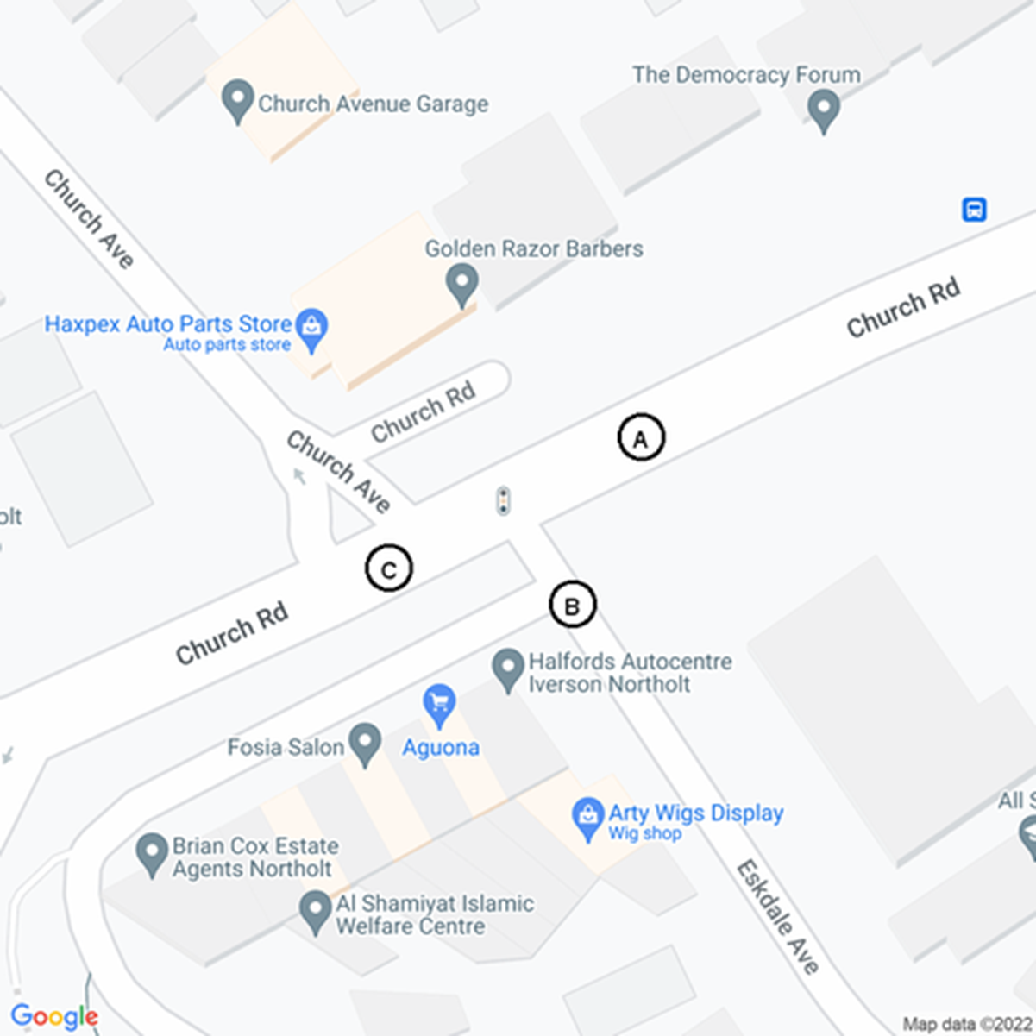 |  | 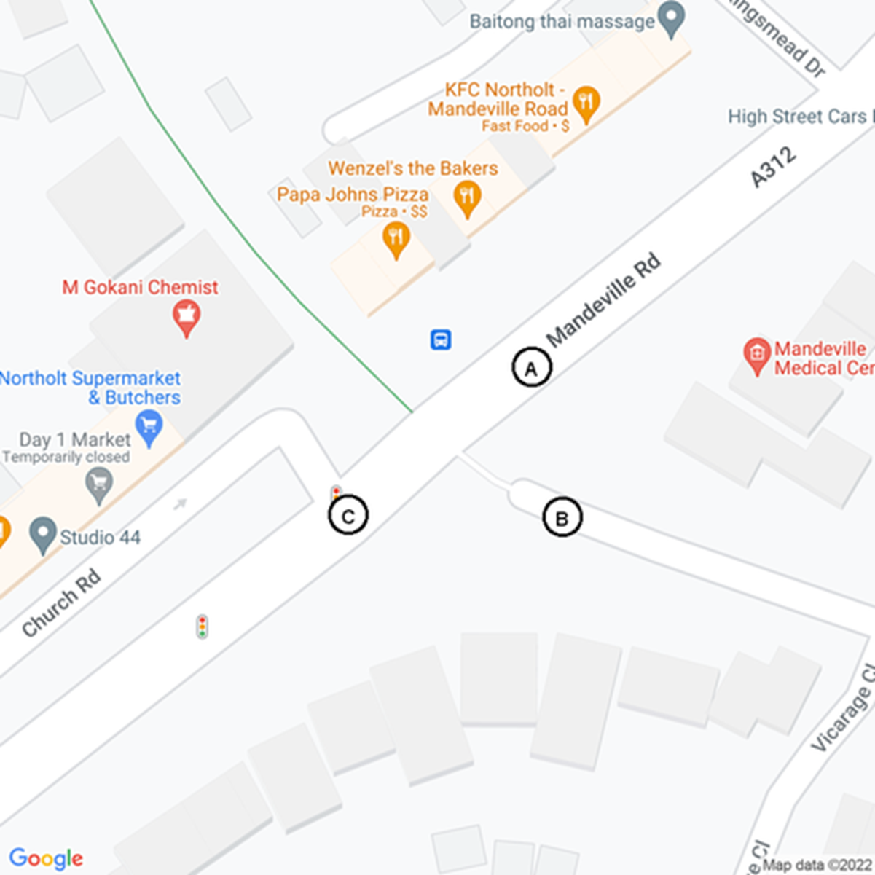 |  | 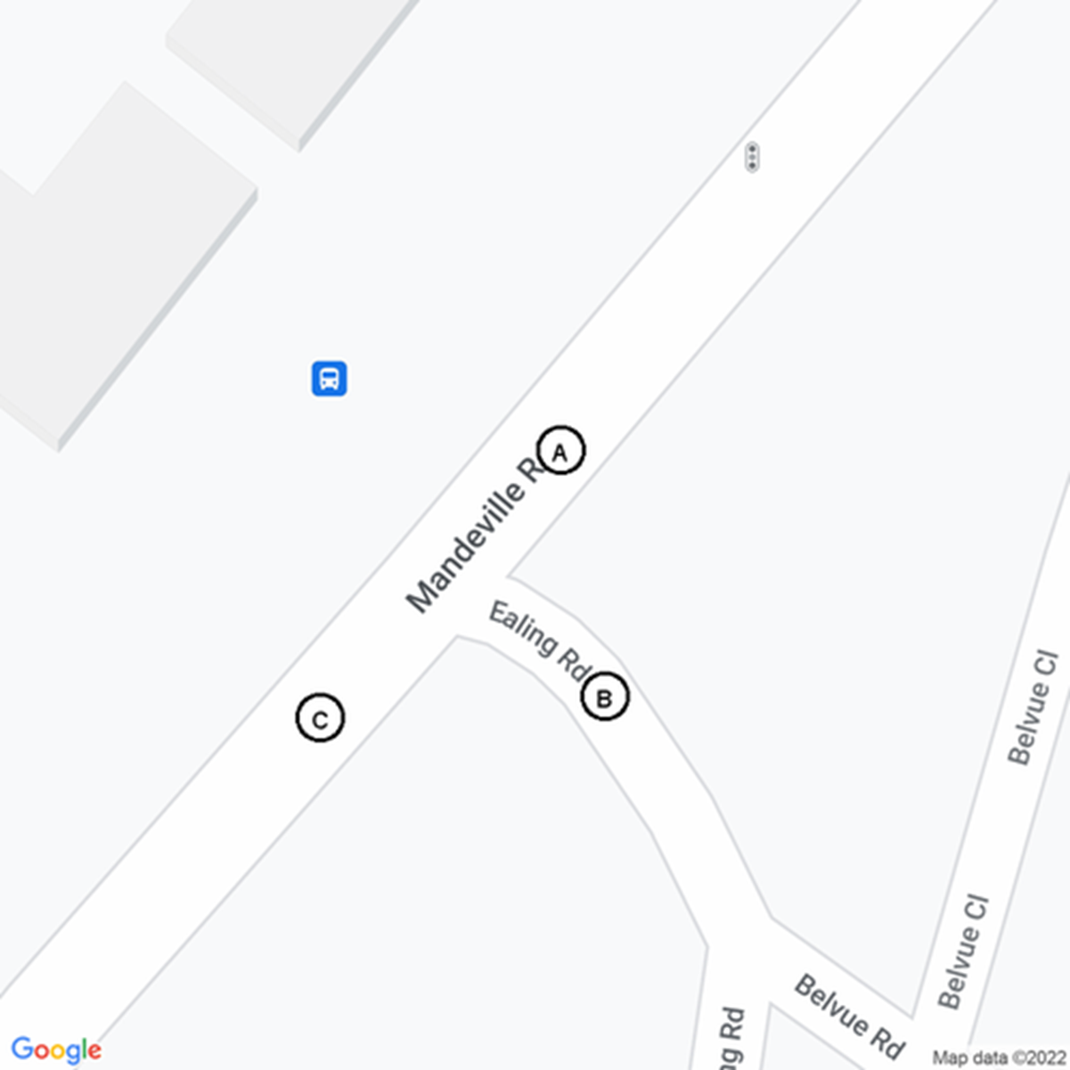 |  | 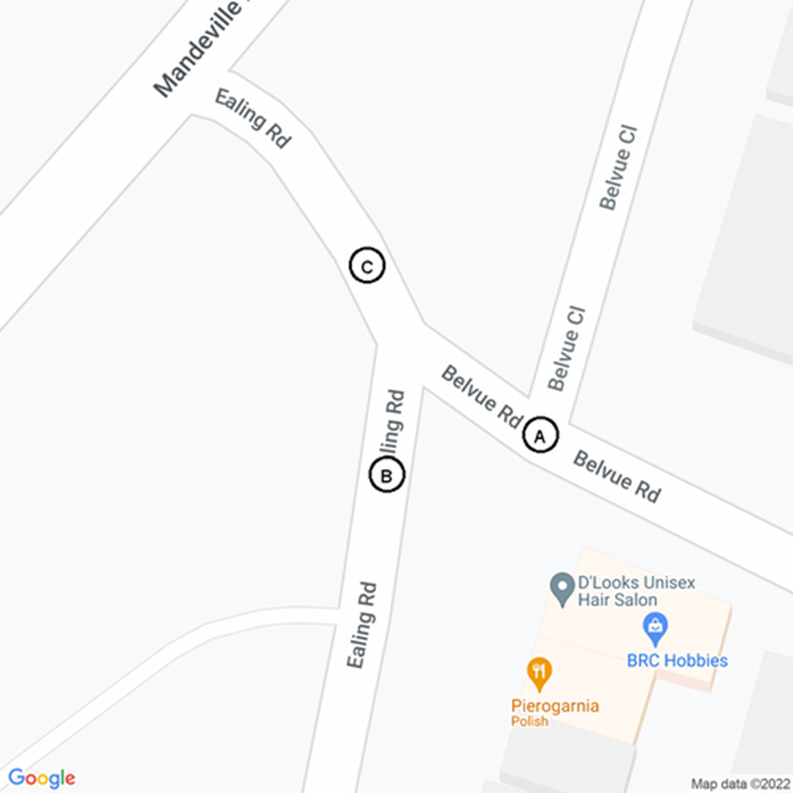 |  | 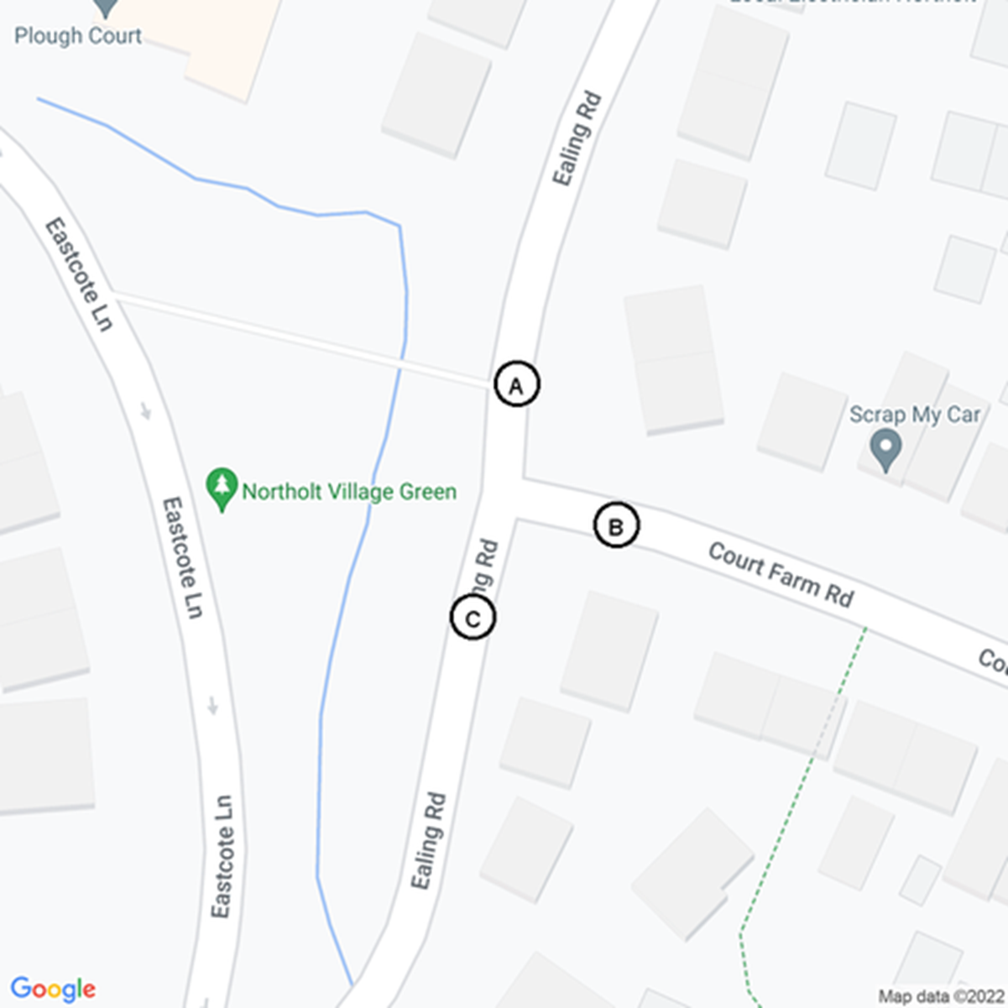

Site 1
Site 2
Site 3
Site 4
Site 5

